Sheet1
Product Name | BLUETTI EP760 with 2 B500 | BLUETTI EP760 Super Early Bird | Tesla Powerwall 2 (with gateway) | Huawei Luna (15 kWh) | Sonnenbatterie Evo | BYD Battery Box Premium HVM 13.8 | SolarEdge Energy Bank | Enphase IQ Battery 5P | Goodwe Lynx Home F Series LX F13.1-H | Dyness Powerbox | Energizer Homepower | LG Chem RESU 6.5 | Eveready Energy Vault 5.1 | FIMER PowerX 12.8 kWh | GenZ 48V 3 | Growatt Ark 10.2L-A1 | Jinko SunTank 7.68 kWh | PowerPlus Energy LiFe Premium Series | Pylontech Force L2 10.65 kWh | SolaX Triple Power 5.8 | Sonnenschein PRO Series LIBS048200-GO4 | SunGrow SBR HV 12.8 kWh | WeCo Dual Voltage 5K3 | Zenaji Aeon | Delta BX 6.3AC | Redback Smart Battery SB14200 | Alpha-ESS SMILE5 13.3 kWh | Eguana Evolve | QCells Q.HOME CORE | RedEarth Sunrise 6.5kWh | Senec.HOME V3 Hybrid | SOFAR PowerAll | Soltaro AIO2 5kW / 5kWh | Sunpower Reserve | VARTA Pulse 6
Manufacturer Logo
Product Image | 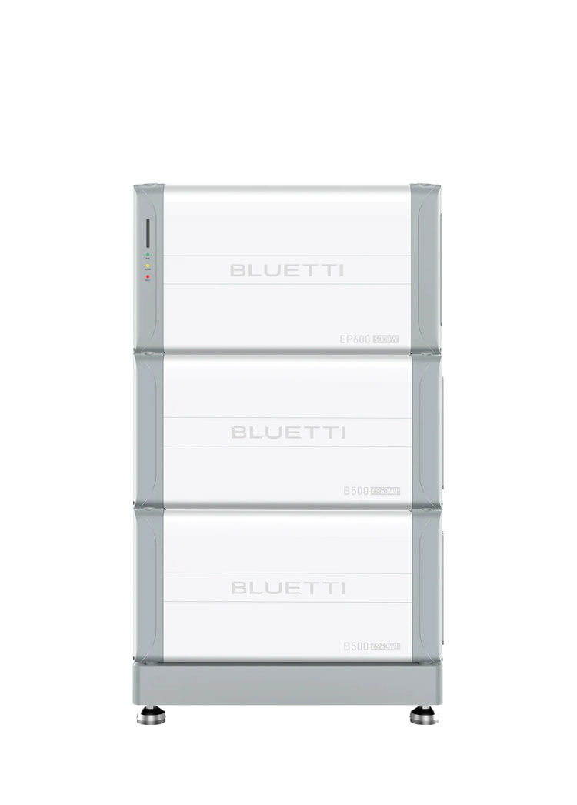 |  | 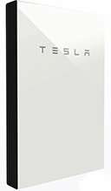 |  | 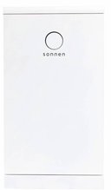 | 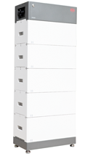 | 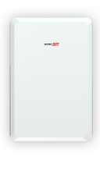 | 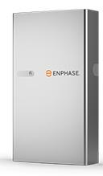 | 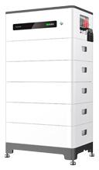 |  | 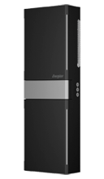 | 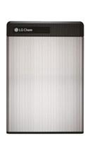 | 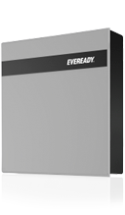 | 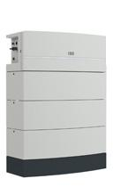 | 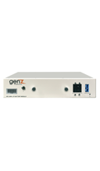 |  | 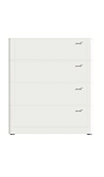 | 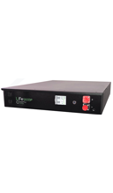 | 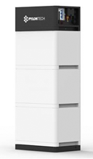 | 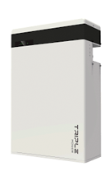 | 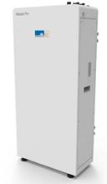 | 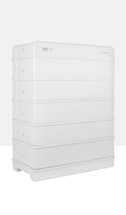 | 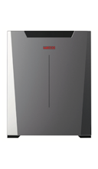 | 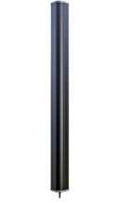 | 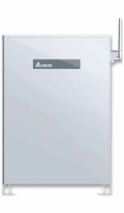 | 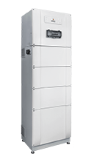 | 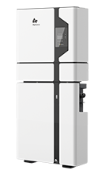 | 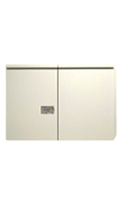 | 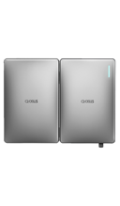 | 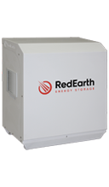 | 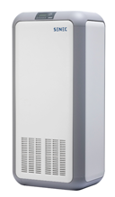 | 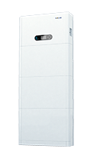 | 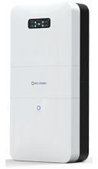 | 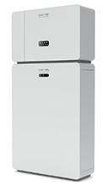 | 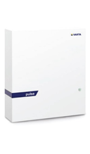
Price excl. installation | $14,999 | $9,999 | $12,100 | $14,520 | $12,000 | $12,500 | $11,880 | $6,300 | $10,900 | $6,600 | $8,000 | $5,700 | $6,000 | $12,500 | $2,500 | $9,100 | $8,000 | $3,550 | $11,000 | $4,625 | $10,000 | $9,500 | $4,900 | $3,000 | $6,140 | $12,645 | $9,372 | $14,500 | $12,000 | $9,625 | $11,000 | $4,910 | $8,000 | $13,000 | $7,000
Australian Approvals |  |  |  |  |  |  |  |  |  |  |  |  |  | TBD |  |  |  |  |  |  |  |  |  |  |  |  |  |  |  |  |  | TBD |  | TBD
Battery Type | Lithium-ion (Lithium Iron Phosphate) | Lithium-ion (Lithium Iron Phosphate) | Lithium Ion (NMC) | Lithium ion (Lithium ion phosphate) | Lithium-ion (Lithium Iron Phosphate) | Lithium-ion (Lithium Iron Phosphate) | Lithium Ion (NMC) | Lithium-ion (Lithium Iron Phosphate) | Lithium-ion (Lithium Iron Phosphate) | Lithium-ion (Lithium Iron Phosphate) | Lithium-ion (Lithium Iron Phosphate) | Lithium-Ion (NMC) | Lithium-ion (Lithium Iron Phosphate) | Lithium-ion (Lithium Iron Phosphate) | Lithium-ion (Lithium Iron Phosphate) | Lithium-ion (Lithium Iron Phosphate) | Lithium-ion (Lithium Iron Phosphate) | Lithium-Ion (Lithium Iron Phosphate) | Lithium-ion (Lithium Iron Phosphate) | Lithium Ion (NMC) | Lithium-ion (Lithium Iron Phosphate) | Lithium-ion (Lithium Iron Phosphate) | Lithium-ion Nanographene Cell | Lithium Ion (Lithium Titanate) | Lithium-Ion NMC | Lithium Ion (Lithium Iron Phosphate) | Lithium-ion (Lithium Iron Phosphate) | Lithium Ion (NMC) | Lithium-Ion (NCA) | Lithium Ion (NMC | Nickel Manganese Cobalt (NMC) | Lithium-ion (Lithium Iron Phosphate) | Lithium Ion (Lithium Iron Phosphate) | Lithium Ion Phosphate | Lithium-Ion (lithium-mananese-cobalt-oxide)
All In One Unit? | Yes | Yes | Kind of. Includes AC battery inverter but requires solar inverter. | No | Kind of. Includes AC battery inverter but requires solar inverter. | No | No | No | No | No | No | No | No | No | No | No | No | No | No | No | No | No | No | No | Kind of. Includes AC battery inverter but requires solar inverter | Kind of. Includes AC battery inverter but requires solar inverter. | Yes | Yes | Yes | Yes | Yes | Yes | Yes | Yes | Yes
Nominal Storage(kWh) | 9.92 | 9.92 | 14 | 15 | 11 | 13.8 | 10 | 5 | 13.1 | 9.6 | 6.14 | 6.5 | 5.12 | 12.8 | 3 (per module) | 10.24 | 7.68 | 3.3 | 10.65 | 5.8 | 9.6 | 12.8 | 5.46 | 1.93 | 6.32 | 14.2 | 13.34 | 13 | 6.8 | 6.5 | 10 | 5.12 | 5 | 10.1 | 6.5
Usable Storage Capacity(kWh) | 8.93 | 8.93 | 13.5 | 15 | 10 | 13.8 | 9.7 | 5 | 13.1 | 9.6 | 6.14 | 5.9 | 4.6 | 11.52 | 2.7 | 9.21 | 6.9 | 2.64 | 10.1 | 5.8 | 7.68 | 12.8 | 5.2 | 1.93 | 6.17 | 12.8 | 13.3 | 12.2 | 6.51 | 5.2 | 9 | 4.75 | 4.5 | 9.6 | 6
Price per usable kWh | $1,680.00 | $1,119.96 | $896.30 | $968.00 | $1,200.00 | $905.80 | $1,224.74 | $1,260.00 | $832.06 | $687.50 | $1,302.93 | $966.10 | $1,304.35 | $1,085.07 | $925.93 | $988.06 | $1,159.42 | $1,344.70 | $1,089.11 | $797.41 | $1,302.08 | $742.19 | $942.31 | $1,554.40 | $995.14 | $987.89 | $704.66 | $1,188.52 | $1,843.32 | $1,850.96 | $1,222.22 | $1,033.68 | $1,777.78 | $1,354.17 | $1,166.67
Pros | Modular and all-in-one system | Modular and all-in-one system | Advanced safety features minimise fire risk, charges batteries from solar when grid is down, impressive warranty | Modular - expandable | VPP ready, Made in Germany , IP 56 rated, integrated backup, can charge batteries from solar when grid is down | Expandable in increments of 2.76 kWh | Modular expansion up to 30 kWh | Modular | Modular, scaleable | Can be used in both off-grid and hybrid setups, compact design, modular expansion | Modular | Can be used in both off-grid and hybrid setups, compact size, modular expansion. | Modular | Modular, scalable | Modular and scalable. | Modular | Modular | Self-managed and infinitely stackable. Rack mountable. | Modular | Modular battery with scalability of capacity & charge/discharge power, higher charge & discharge power, Plug and play installation | Modular, scalable | Modular, expandable | A dual voltage (LV and HV) DC battery system compatible to a wide range of inverter chargers which is modular and scalable. The modules can be wall mounted, floor mounted in horizontal or vertical stack or rack mounted as well installed in either parallel or series. Wireless monitoring for real time access and maintenance and inbuilt BMS. | 20 year warranty, low battery degradation over time, designed to handle multiple cycles per day. | Module made in Japan. Advanced safety features minimise fire risk, charges batteries from solar when grid is down. No cooling fans or cooling pumps. System, cell and cabinet have multiple safety features. Expandable to twice storage capacity with plug and play second DC coupled battery. More Master batteries stackable using gateway. | Designed in Australia, outdoor rated, backup ready, easy installation, remote commissioning and upgrades, works with most existing solar inverters, 10-year Australian warranty. | UPS, fast response, 24/7 monitoring | Modular, flexible, outdoor rated design for easy installation. Remote commissioning and troubleshooting with manufacturer support. Advanced auto-recovery controls avoid manual resets. Manufactured in South Australia. VPP-ready EMS | All in one solution from Qcells – solar inverter included. Modular up to 20.5 kWh. | Made in Australia (battery cells from LG Chem), Expandable design, VPP ready, quick install. | All in one hybrid, provides “apocalypse proof” backup, can purchase 20 year extended warranty | Modular, expandable, 10ms switchover in blackout | DC & AC Coupled, Standalone, Wall Mountable, Expandable, Indoor or Outdoor, Low Noise | All-in-one | Ease of installation through "plug and play", German designed and manufactured.
Cons | Can't expand after 6 months. Not stable yet. | Can't expand after 6 months. Not stable yet. | TBD | Only compatible with Huawei inverters | TBD | TBD | Only compatible with SolarEdge inverters, extra expense required for backup functionality | TBD | TBD | TBD | TBD | Battery is warranted to 45ºC ambient | TBD | TBD | TBD | TBD | TBD | TBD | TBD | Only compatible with SolaX inverters | TBD | Only compatible with Sungrow hybrid inverters | TBD | apply the full 10 year warranty to the Powerbox battery inverter. Expensive compared to other lithium technologies | Not currently able to measure third part inverter AC output for display in app | TBD | TBD | TBD | TBD | Backup power only 3kW | Low IP rating, lower power output compared to similar sized batteries | TBD | Lower charge power compared to discharge | TBD | Does not provide backup.
Weight(kg) | 160 | 160 | 125kg | 163.8 kg | 163 kg | 205 kg | 108 kg | 78 kg | 201 kg | 113kg | 98.5 kg | 52kg | 64 kg | 155 kg | 35kg | 140 kg | 84 kg | 41kg | 119 kg | 72 kg | 140 kg | 147 kg | 57.3 kg | 36kg | 77kg | 203 kg | 148 kg | 168kg | 98.6 kg | 130 kg | 115 kg | 74.5 kg | 79kg | 110 kg | 65kg
Power(kW) | 7.6 | 7.6 | 5kW steady, 7kW peak (10 seconds) | 5 kW | 5kW steady , 5.3kW (for 30 min), 7kW peak (for 60 sec) | 7.6 kW | 5 kW | 3.84 kW | 7.68 kW | 4.8kW | 3.6 kW | 4.2kW steady, 4.6kW peak (for 3 seconds) | 3 kW | 5.1 kW | 3kW | 5 kW | 3.84 kW | 3.3kW | 5 kW | 2.9kW | 5.76 kW | 7.68 kW | 5.7kW continous, 10kW peak for 5 seconds | 2.4kW | 3kW steady | 4.5 kW | 5 kW | 5 kW steady, 6kW (30 minutes), 8.5kW (3 seconds). | 5 kW | 5kW | 3 kW charge, 3.5 kW discharge | 5 kW | 2.56kW charge, 5.12kW discharge | 5kW | 2.5 kW
Dimensions (WHD) | 636 × 325 × 370mm (inverter) 636 × 325 × 338 mm (batteries) | 636 × 325 × 370mm (inverter) 636 × 325 × 338 mm (batteries) | 75 cm x 115 cm x 15cm | 670 x 150 x 1320 mm | 710mm x 1400mm x 427mm | 1411 x 585 x 298 mm | 790 x 1179 x 250 mm | 980 x 550 x 188 mm | 600 × 920 × 380 mm | 92cm x 55cm x 21cm | 1244 x 420 x 183 mm | 45cm x 65cm x 12cm | 738 x 650 x 186 mm | 1118 x 688 x 282 mm | 42cm x 8.8cm x 57cm | 650 x 260 x 728 mm | 650 x 260 x 547 mm | 43cm x 8.8cm x 62cm | 600 x 380 x 700 mm | 474 x 193 x 708 mm | 550 x 1150 x 286 mm | 62 cm x 67 cm x 33 cm | 580 x 463 x 165 mm | 160cm x 15cm x 14cm | 570 x 840 x 250 mm | 518 x 1665mm x 370mm | 610 x 1443 x 236 mm | 110cm x 78cm x 40cm | 92cm x 70cm x 23cm | 104 cm x 97 cm 54 cm | 117 cm x 53cm x 40cm | 708 x 170 x 890 mm | 54cm x 105cm x 22cm | 610 mm x 1226 mm x 212 mm | 60cm x 69cm x 19cm
Round Trip Efficiency | 94.50% | 94.50% | 90% when new | TBD | 95% | ≥96% | 93.30% | 96% | TBD | TBD | 94% | 95% | TBD | TBD | 96% | TBD | TBD | >96% | TBD | 95% | 95.30% | TBD | TBD | 96% | 96% | 90% Typical | 92.72% | >90% AC->AC | 94.20% | TBD | Up to 97.4% | 97.70% | 95% | 96% | TBD
Off-grid Capable? | Yes | Yes | Yes - but Tesla won't provide support for off-grid applications. | Yes | TBD | Yes | No | TBD | TBD | Yes | TBD | Yes | No | TBD | Yes | TBD | TBD | Yes | TBD | No | Yes | Yes | Yes | Yes | Yes (back-up built in) | No | Yes (back-up built in) | Yes | TBD | No | No. Emergency back-up solution available. Solar panels can charge batteries in DC coupled mode, when grid goes down. | No | Yes | TBD | No
Designed for indoor or outdoor installation? (IP rating) | Indoor/outdoor (IP 65) | Indoor/outdoor (IP 65) | Indoor/Outdoor (IP 67 for battery and electronics, IP56 for wiring) | Indoor/outdoor (IP 66) | Indoor/Outdoor (IP 56) | Indoor/outdoor (IP 55) | Indoor/outdoor (IP 55) | Indoor/Outdoor (IP55) | Indoor/Outdoor (IP 55) | Indoor/outdoor (IP 65) | Indoor/Outdoor (IP 65) | Indoor/Outdoor (IP 55) | Indoor/Outdoor (IP 65) | Indoor/Outdoor (IP 65) | Indoor (IP 50) | Indoor/Outdoor (IP 65) | Indoor/Outdoor (IP 65) | Indoor (IP40) | Indoor/Outdoor (IP 55) | IP55 Outdoor | Indoor/Outdoor (IP 55) | Indoor/outdoor (IP 55) | Indoor IP23 | Indoor/Outdoor (IP 65) | Indoor/outdoor (IP 65) | Indoor/outdoor (IP 54) | Indoor/Outdoor (IP65) | Indoor/outdoor (IP34) | Indoor/Outdoor (IP65) | Indoor/Outdoor IP43 | Indoor (IP 30) | Indoor/outdoor (IP 65) | Indoor/Outdoor (IP65) | Indoor/Outdoor (IP65) | Indoor (IP33)
Operating temperature range | -20°C to 50°C | -20°C to 50°C | -20°C to 50°C | -20-℃～ + 55℃ | -10°C to 50 °C | -10 °C to +50°C | -10-℃～ + 50℃ | -20º C to 50º C | 0~50°C | -20°C to 50°C | Charge: 0°C to 45°C | -10°C to 45°C | 0°C~45°C | 0~40°C | 0°C to 55°C | -10°C~+50°C | -10°C ~ 50°C | Charge 0°C to 55°C / Discharge -20°C to 60°C | 0°C to 50°C | 0°C to 55°C | -10~45°C | -30°C to 50°C | -10°C~+50°C | -40°C to 60°C | -10 ~ 45 ℃ | -20°C to 60°C | -10 °C ~ 50°C* | -10ºC to 45ºC | -10°C to 45°C | 0°C-45°C | 5°C to 40 °C | -10 °C to +50°C | -20°C to 55°C | 0 to 50 °C | 5°C to 45°C
Warranty | 10 years | 10 years | 10 years | 10 years | 10 years or 10,000 cycles, whichever comes first | 10 years | 10 years | 15 years | 10 years | 10 years | 10 years | 60% capacity at 10 years or 20,000 kWh throughput whichever comes first | 7 years | 10 years | 10 years | 10 years | 10 years | 10 years | 10 years | 10 years | 10 years | 10 years | 10 years | 20 years | 10 years | 10 years | 5 years product warranty, 10 years performance warranty | 10 years | 15 years | 10 years | 10 years, can pay to extend to 20 | 10 years | 10 years | 10 years | 7 years (inverter), 10 years (battery)
Compatible with what hybrid inverter brands? (Non-All In One units only) | N/A | N/A | N/A | Huawei | N/A | Fronius | SolarEdge | N/A | Goodwe | Goodwe, Victron, Imeon, Solis, Growatt | N/A | LGES, Goodwe, Sungrow, SMA, Selectronic, Solis | N/A | FIMER | Any inverter brand that handles lead acid battery with the the right charging parameter to suit the self managed lithium module. | Growatt | Jinko | Any brand that can handle charging self managed lithium ion batteries (Selectronic, Victron, SMA SI, Outback, Schneider, Studer, etc) | SolaX, Goodwe, Imeon, Selectronic, Redback, Sungrow | SolaX only | Deye, Goodwe, SMA, Solis | Sungrow | "Schneider XW, Solis LV All, Growatt SPH LV SMA Sunny Island, Goodwe S-All LV Hybrid, Sofar Solar All, Victron Energy, Solax Power SKU-LV All, Sungrow SH3K6+SH4K6. | Victron, Goodwe, Sungrow, Schneider | AS4777.2.2015 compliant inverters up to 5kw AC single phase | N/A | N/A | N/A | N/A | N/A | N/A | N/A | NA | N/A | N/A
AC or DC coupled? (All In One systems only) | Can be AC or DC coupled or both at the same time. | Can be AC or DC coupled or both at the same time. | AC coupled | N/A | AC coupled | DC coupled | N/A | N/A | N/A | N/A | AC Coupled | N/A | N/A | N/A | N/A | N/A | N/A | N/A | N/A | N/A | N/A | N/A | N/A | N/A | AC Coupled | AC coupled | AC/DC/Hybrid coupling available | AC coupled | DC coupled | DC coupled | Can be AC or DC coupled or both at the same time. | DC Coupled | DC coupled | DC coupled | AC coupled
 |  |  |  |  |  |  |  |  |  |  |  |  |  |  |  |  |  |  |  |  |  |  |  |  |  |  |  |  |  |  |  |  | and AC coupled
Total warranted kWh (1 cycle per day) | 32587 | 32587 | 37,000 | 49,350 | 36,500 | 42,690 | 35,405 | 30,000 | 33,540 | 35,040 | 22,411 | 16,100 | 11,753 | 42,048 | 9855 | 33,616 | TBD | 9636 | 36,865 | 21,170 | 31,080 | 46,720 | 18,980 | 14,089 | 19,800 | 46,720 | 24,272 | 38,400 | 35,642 | 18,980 | 32,850 | 17,337 | 16,425 | 35,040 | 14,946
Cost per Total Warranted kWh (1 cycle per day) | $0.46 | $0.31 | $0.31 (+ inverter cost) | $0.29 (+ inverter cost) | $0.32 | $0.29 (+ inverter cost) | $0.34 | $0.21 | $0.32 (+ inverter cost) | $0.19 (+ inverter cost) | $0.36 | $0.35 (+ inverter cost) | $0.51 | $0.30 (+ inverter cost) | $0.25 (+ inverter cost) | $0.27 | TBD | $0.37 (+ inverter cost) | $0.30 (+ inverter cost) | $0.22 (+ inverter cost) | $0.32 (+ inverter cost) | $0.20 (+ inverter cost) | $0.26 | $0.21 (+ inverter cost) | $0.31 (+ inverter cost) | $0.27 | $0.39 | $0.37 | $0.34 | $0.51 | $0.33 | $0.28 | $0.43 | $0.37 | $0.48

